Proposal Data
Bidder - Company Name
LDES Technology Supplier - Company Name
LDES Technology Supplier - Product Proposed

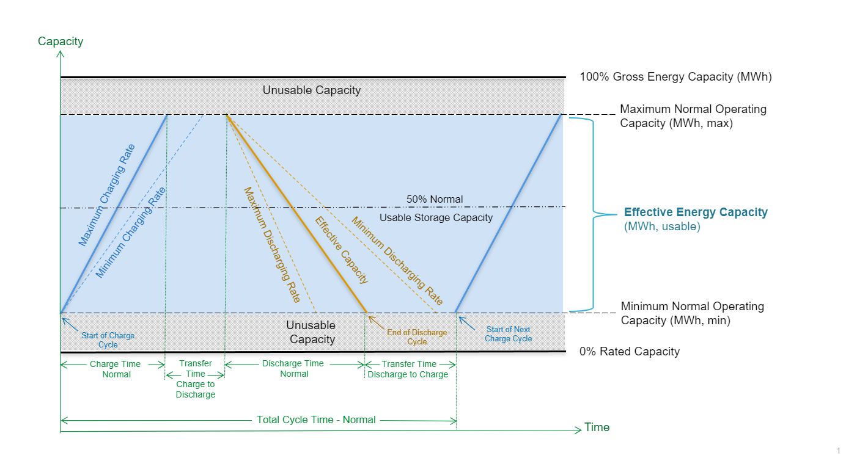
LDES TECHNOLOGY DATA | Pilot | 200 MW Turnkey | Units
General Information
Energy Density |  |  | MWh/acre
Total Not-to-Exceed Height |  |  | ft
Maximum Project Site Length |  |  | ft
Maximum Project Site Width |  |  | ft
Maximum Noise Level |  |  | dBA
Exclusion space around LDES process perimeter (for personnel safety), if req'd |  |  | ft
Emissions ( detail any CO, CO2, NOx, and SOx) |  |  | MT/MWh & ppmv
Particulate Matter (if any) |  |  | kg/MWh
Reactive Power |  |  | mVAR
Supports DNP3 |  |  | yes/no

Capacity Information
Gross Energy Capacity |  |  | MWh
Maximum Normal Operating Capacity |  |  | MWh
Minimum Normal Operating Capacity |  |  | MWh
Effective Energy Capacity | 0 | 0 | MWh

Power Information
Effective Capacity |  |  | MW
Maximum Charging Load |  |  | MW
Minimum Charging Load |  |  | MW
Maximum Discharge |  |  | MW
Minimum Discharge |  |  | MW
Round Trip Efficiency (full cycle, AC to AC) |  |  | %
Ability to Charge and Discharge Simultaneously |  |  | Yes/No
Generator Bus Voltage |  |  | kV

Time Duration Information
Charge Time - Normal |  |  | minutes
Charging Response Time - Hot Start |  |  | seconds
Charging Response Time - Cold Start |  |  | minutes
Discharge Time - Normal |  |  | minutes
Discharging Response Time - Hot Start |  |  | seconds
Discharging Response Time - Cold Start |  |  | minutes
Discharge Time - Fast Discharge | #DIV/0! | #DIV/0! | Hours
Transfer Time: Charge to Discharge |  |  | minutes
Transfer Time: Discharge to Charge |  |  | minutes
Total Cycle Time - Normal |  |  | minutes

Auxilliary Power Information
Charge Auxiliary Power |  |  | kW
Discharge Auxiliary Power |  |  | kW
Standby Auxiliary Power |  |  | kW
Auxiliary Power - Peak |  |  | kW

Self Discharge / Degradation Information
Average Standby Loss Over 24 Hours |  |  | MWh
Power Degredation |  |  | %/300cycles
Energy Capacity Degredation |  |  | %/300cycles

ChargeDischarge Profile
SRP Proposed Charge/Discharge Profile for Proposal Purposes
9-hour charge/ 10-hour discharge
Please review and adjust in your proposal as needed for your technology
Cannot change high importance discharge hours (dark blue)

 |  |  |  |  |  |  |  |  |  |  |  |  |  | Idle
 |  |  |  |  |  |  |  |  |  |  |  |  |  | Charge
 |  |  |  |  |  |  |  |  |  |  |  |  |  | Discharge
 |  |  |  |  |  |  |  |  |  |  |  |  |  | Discharge - importance High
 |  |  |  |  |  |  |  |  |  |  |  |  | x | sunrise/sunset

 |  |  |  |  |  |  |  |  |  | Hour Ending
 | 1 | 2 | 3 | 4 | 5 | 6 | 7 | 8 | 9 | 10 | 11 | 12 | 13 | 14 | 15 | 16 | 17 | 18 | 19 | 20 | 21 | 22 | 23 | 24
Jan |  |  |  |  |  |  |  | x |  |  |  |  |  |  |  |  | x
Feb |  |  |  |  |  |  | x |  |  |  |  |  |  |  |  |  |  | x
Mar |  |  |  |  |  |  | x |  |  |  |  |  |  |  |  |  |  | x
Apr |  |  |  |  |  | x |  |  |  |  |  |  |  |  |  |  |  |  | x
May |  |  |  |  |  | x |  |  |  |  |  |  |  |  |  |  |  |  | x
Jun |  |  |  |  |  | x |  |  |  |  |  |  |  |  |  |  |  |  | x
Jul |  |  |  |  |  | x |  |  |  |  |  |  |  |  |  |  |  |  | x
Aug |  |  |  |  |  | x |  |  |  |  |  |  |  |  |  |  |  |  | x
Sep |  |  |  |  |  | x |  |  |  |  |  |  |  |  |  |  |  | x
Oct |  |  |  |  |  |  | x |  |  |  |  |  |  |  |  |  |  | x
Nov |  |  |  |  |  |  | x |  |  |  |  |  |  |  |  |  |  | x
Dec |  |  |  |  |  |  |  | x |  |  |  |  |  |  |  |  | x

